Sheet1
Time line for S-serie
Part name | Original | 2020/04 | 2021/06 | 2021/08 | 2021/12 | 2022/03
Flamebridge | 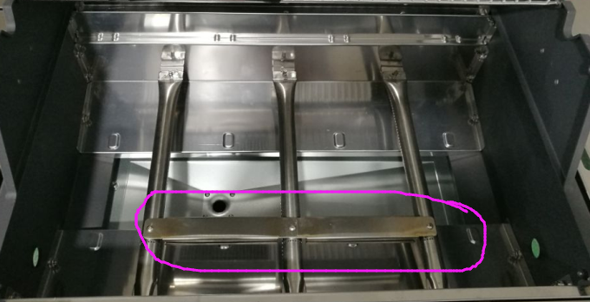 placed in the front side |  |  | 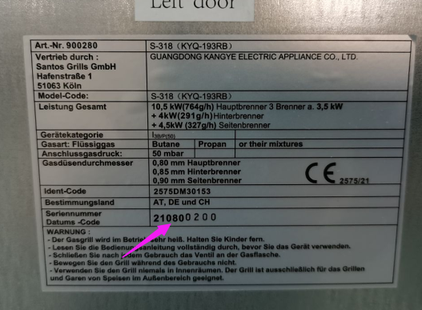 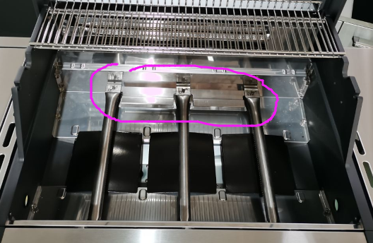 Due to more flamebridge broken complaints, we change the position of flamebridge on the back side beginning 2021.08 . |  | NO
Power for back burner | 3.5kW, injector size 0.8mm |  |  | 4.0kW, injector size 0.85mm， start 2021.08 |  | NO
Main burner | 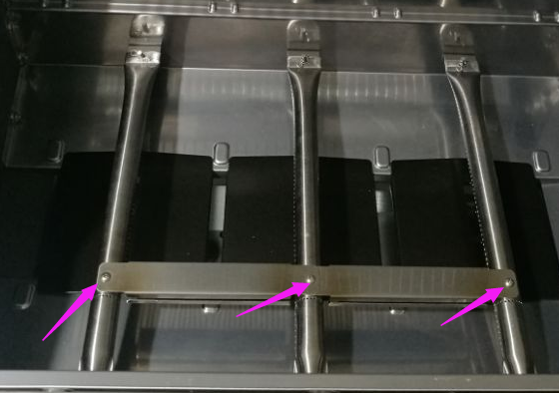 a hole on the top of main burner which for installing flamebridge |  |  | 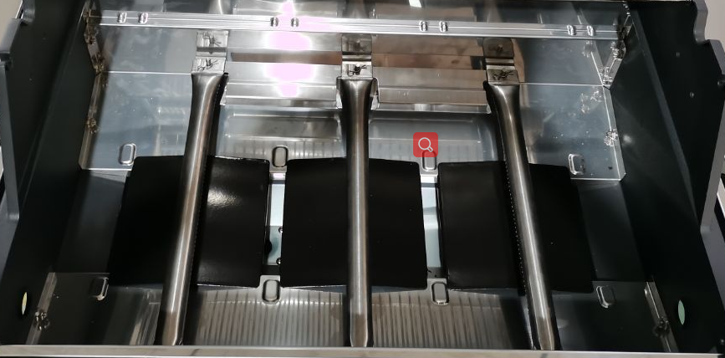 As the flamebridge is placed on the back, we cancel the top hole from burner. New burner used start from 2021.08 |  | NO
screw for burner holder | 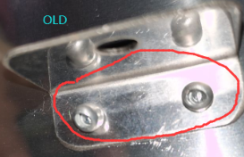 it is rivet for old version | 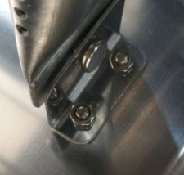 Due to it is difficult to change rivet, we change rivet into screws with nut beginning 2020.04 |  |  |  | NO
Burner holder |  |  |  |  | 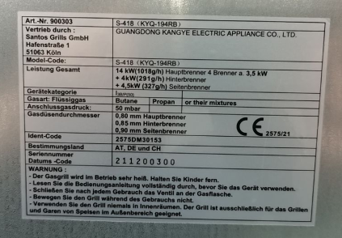 for easyer to assemble the holder, we weld the pin to the holder beginning 2021.12 | NO
Bottom plate | 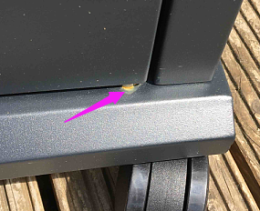 Complain for the door rust |  | 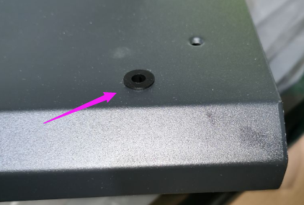 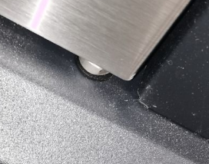 add a washer beginning 2021.06 | 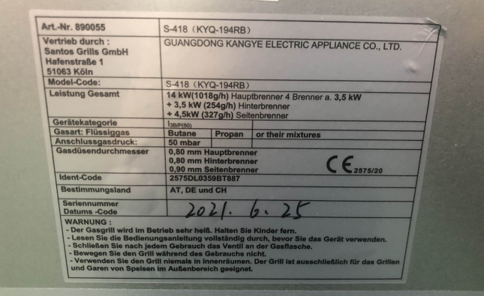 |  | 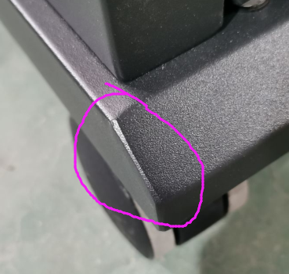 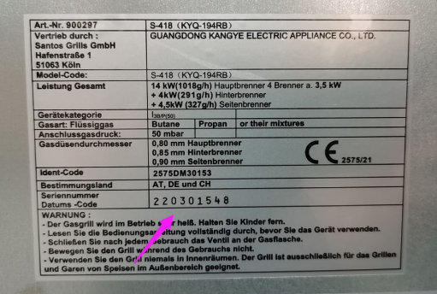 Due to the rust in the corner, we make a full welding at corner beginning 2022.03
Screw set for hood | 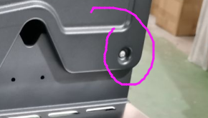 Complaints for fixing scews on hood |  |  |  |  | 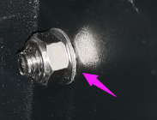 Due the hood fixing screw(part Nr 37) loose and the hood will fall off, we change into a longer screw and add a washer from 2022.03
Grease tray holder | 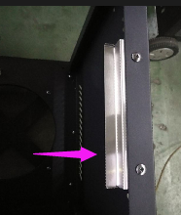 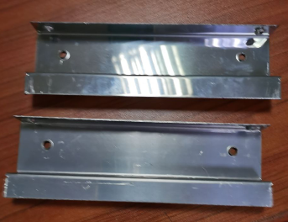 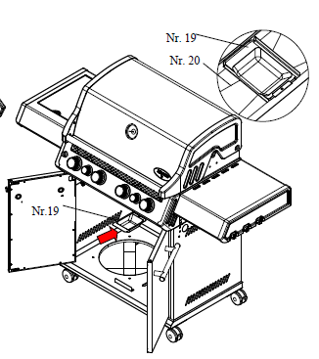 Part Nr 9 grease tray holer |  |  | This is new version of trolley that the ignition box is fixed on the trolley.The oil cup can't be taken from front side due to the space problem from front side, but can take out at the back side. The grease tray holder is same as the old version beginning 2021.08 | 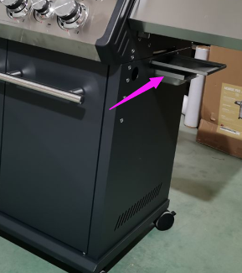 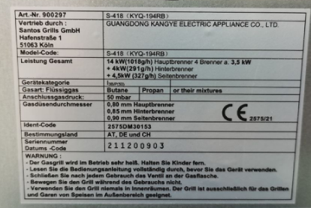 As Rui want to take out the grease from right side of trolley, then we change the way, new grease tray holer used beginning 2021.12
Right side shelf of trolley | 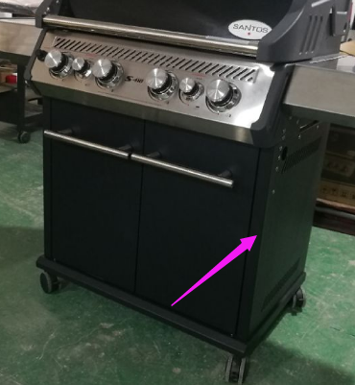 |  |  | 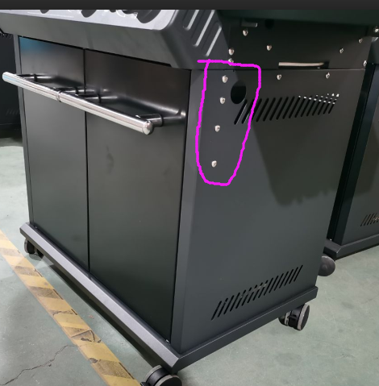 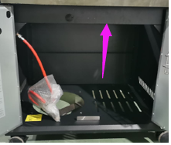 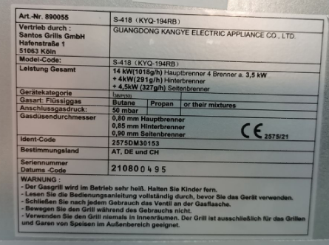 Due to the ignition is fixed in the trolley, the front holder size should be bigger than old. So, the position of screw holes is changed a little bit beginning 2021.08 | 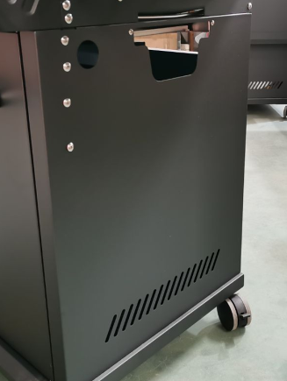 Due to taking out the grease tray from right side of trolley, we make a hole on right side, beginning 2021.12
Left door for S-318,418,518 | 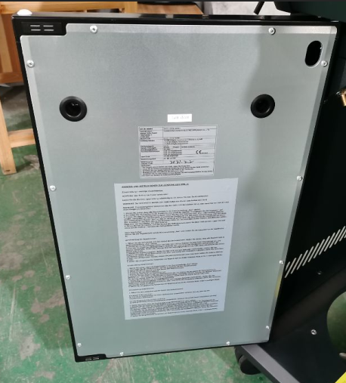 Part Nr.17 |  |  | 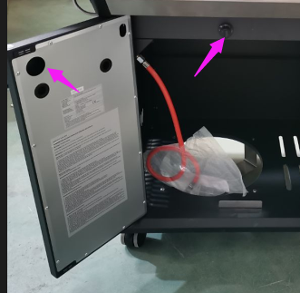 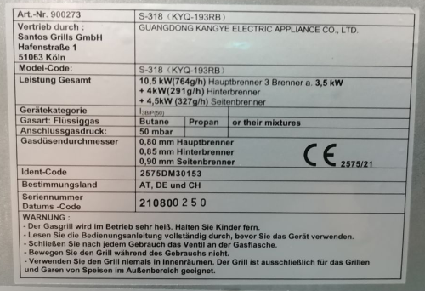 Part Nr 17 left door with a hole for ignition box beginning 2021.08
grease tray | 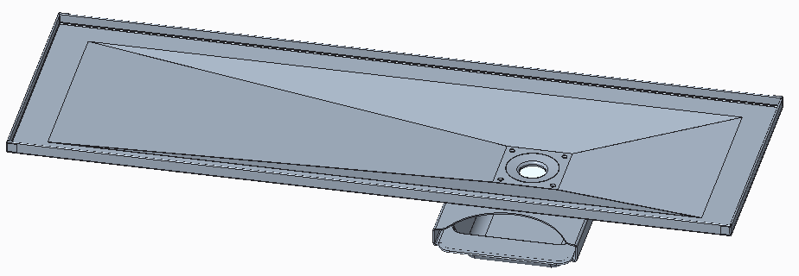  |  |  | 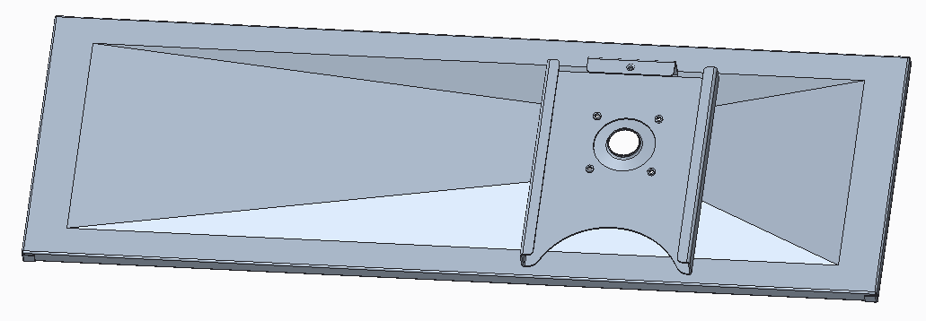 only the direction of holder is different compared with version 1 | 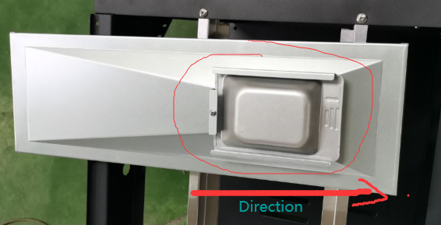 Compared with version 1,version2, only the direction of holder is different
grease tray brace | 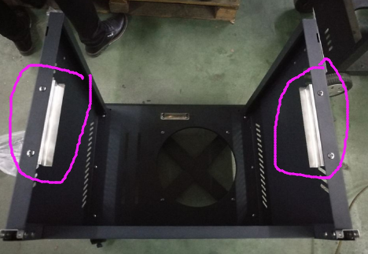 short |  |  | same as version 1 | 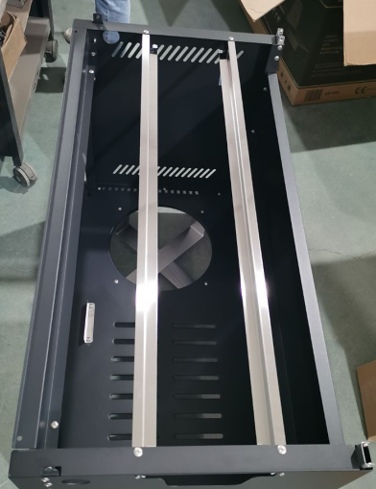 longer brace
oil cup | 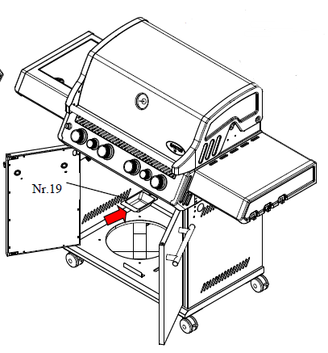 taking out from front side |  |  | 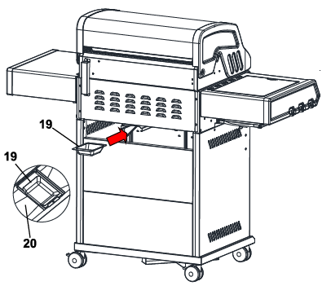 due to there is no enough space to taking out oil cup from front side, then we change oil cup taking out from backside | 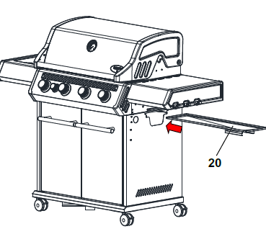 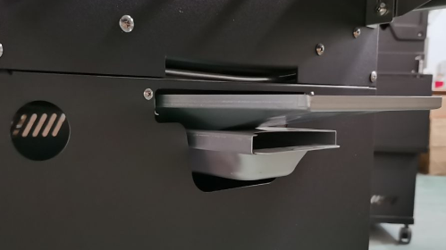
left side of trolley | 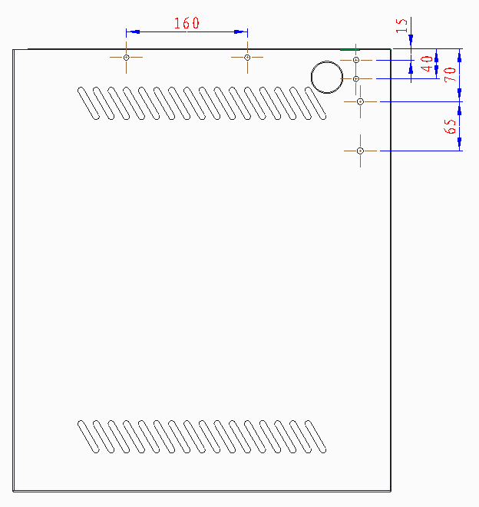 |  |  | 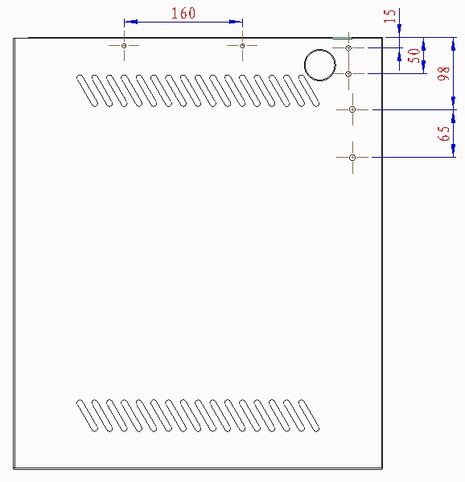 | 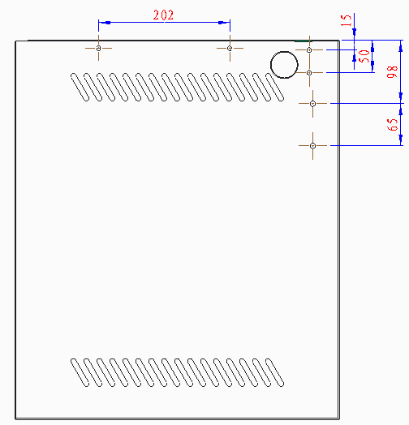
Right side of trolley | the distance of holes is same as left side of trolley |  |  | the distance of holes is same as left side of trolley | the distance of holes is same as left side of trolley
trolley bracket-front | 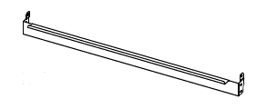 without a hole | without a hole | without a hole | 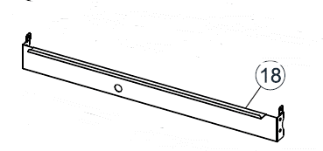 with a hole | with a hole | with a hole

